Sheet1
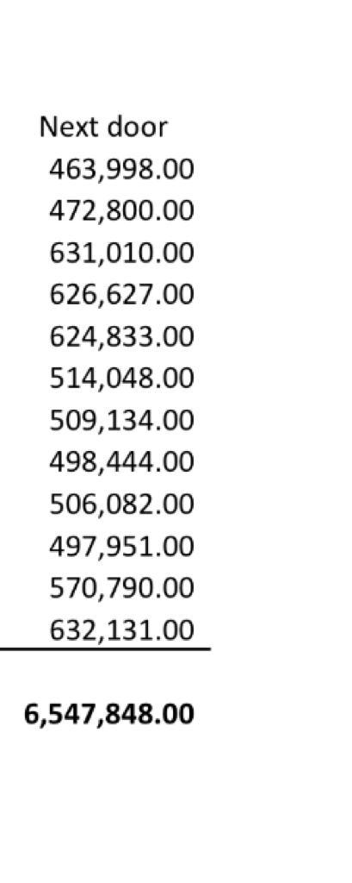
total investment |  | Revenue | 800,000 |  | Staff breakdown
fit out: wine fridge, equipment and furniture | 800,000
rental, util deposit | 160,000 | COGS | 216,000 | 27% | senior front of house | 25,000
first month rent & util | 56,000 | GP | 584,000 |  | somm | 31,000
restaurant license | 45,000 | rent | 96,000 | 12% | waitstaff 1 | 18,000
pre-opening | 90,000 | mgt fee | 22,000 |  | waitstaff 2 | 18,000
PR | 80,000 | Salary | 191,000 |  | part time | 12,000
design fee | 100,000 | Social Marketing | 13,000
spare | 80,000 | Others | 32,000 | 4% | chef 1 | 28,000
wine inventory | 70,000 | Utilities | 15,000 |  | chef 2 | 21,000
month 1 salary | 90,000 | finance/hr | 25,000 |  | chef 3 | 20,000
 |  | credit card fees | 12,000 |  | chef 4/dishwasher | 18,000
total capex | 1,571,000 | mgt fee
 |  | Total expenses | 394,000 |  |  | 191,000
entry valuation? | 1,963,750
 |  | EBITDA | 190,000
 |  | Incentive fee | 22,800 | 12%
first shipment of wine on (60 days credit)
 |  | EBITDA to shareholders | 167,200

In 2022, due to covid, they did approximately $5.1mn
Next door revenue in 2021 $6.5mn

